SCRIPT
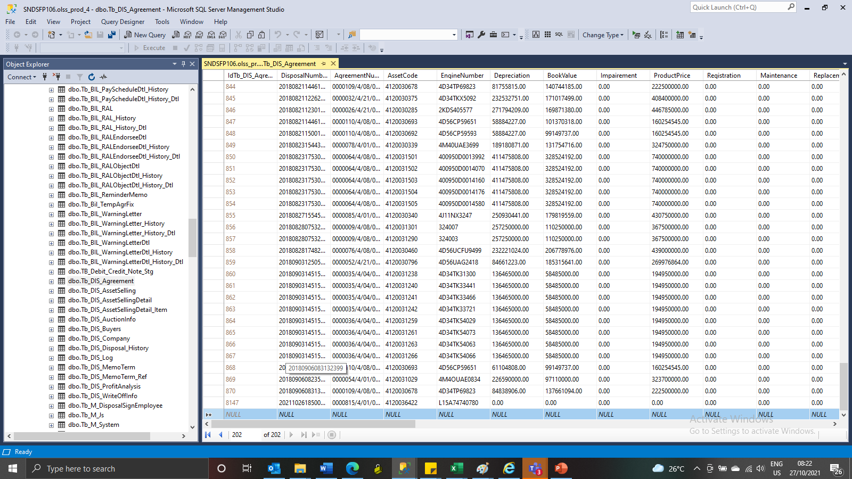
Insert tb_dis_agreement

